UI Examples
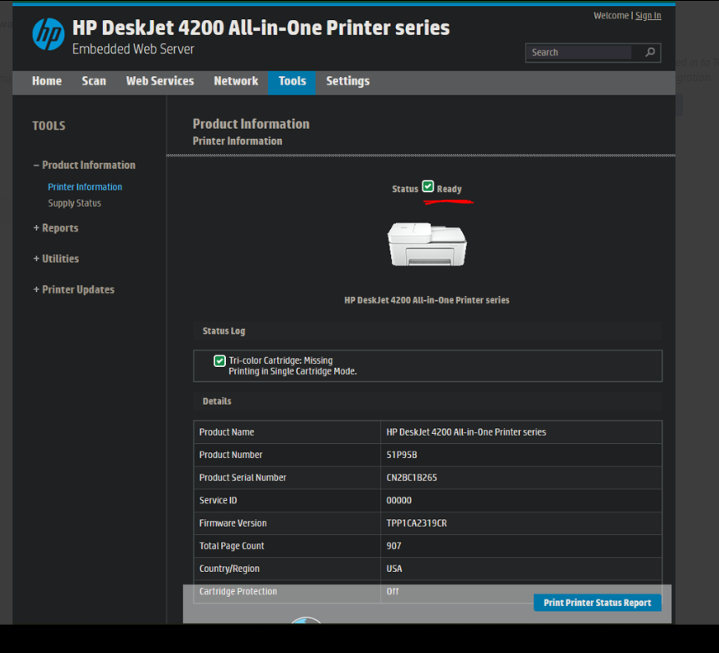
UI Examples (as of 2019): |  |  |  | Regarding titles/headers: MUI headers wrap, and it is intended for them to do so.

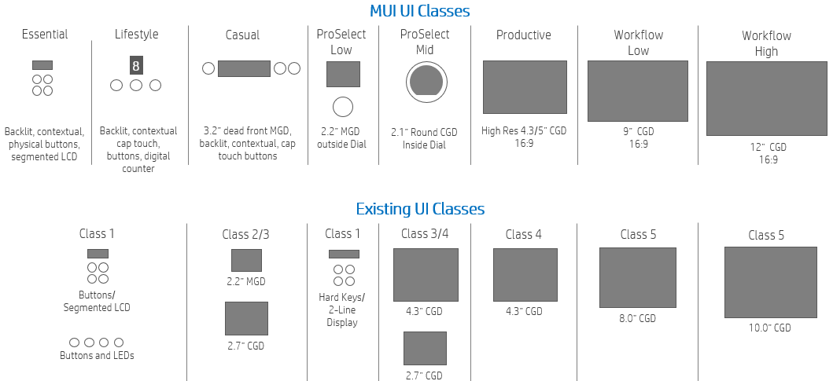

Essential Basic (for Leo as of October, 2024)
 | With 6 buttons and LEDs. No LCD.

Casual
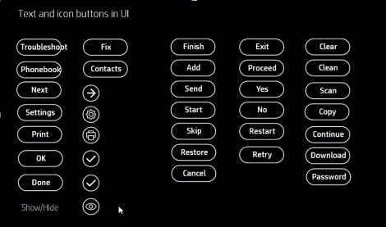 |  |  | Any screen which has one text button should have the second button also as text even if it is iconic in other screens. Example ‘Retry’ and ‘cancel’. Here cancel shouldNot be a cross but text only All ok, done, print, settings, next buttons can be icons if they don’t appear along with Retry, Restart, Continue, Exit, Test, Copy, Cancel,No…. Cancel andNobutton should always be a text string. The cross mark for cancel competes with the capacitive cross buttons hence it won’t be used | Regarding Help content: This is Not defined in the SMS, and is determined by FW/Design/UX/IX teams. It is housed in the workstream document for the asset.

 |  | 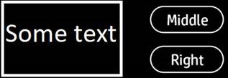 | Per Vivek: Please leave as is (LF/MF/RF) As seen in picture to the left: -MF is what is shown as “Middle” button (when there are two buttons) -RF is what is shown as “Right” button (when there is one button, it is RF) -LF is only shown as X-physical-button on Sayan if LF is mapped to “cancel”. Otherwise, LF is not shown to user.

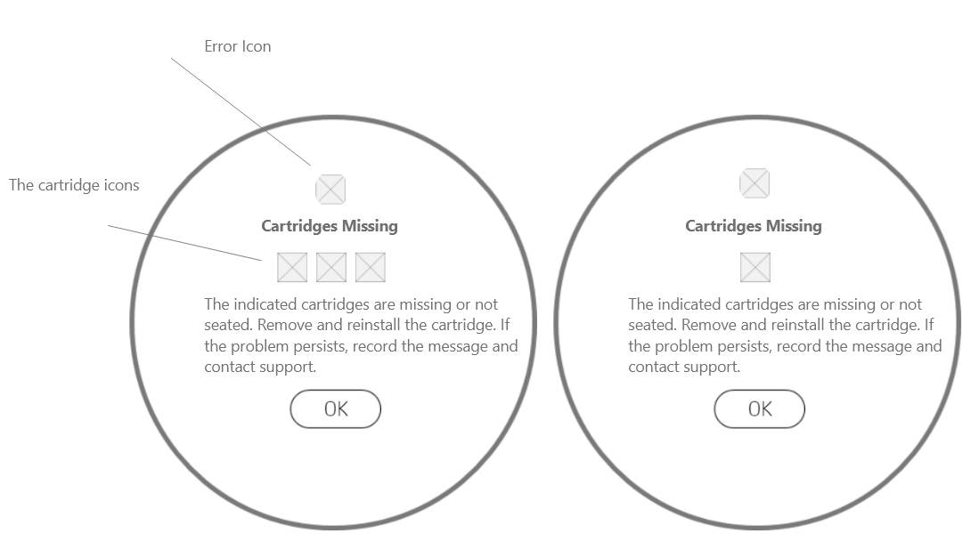

 |  |  | For Proselect, use LF/MF/RF like so: • One button: o RF:Button • Two buttons: o LF:TopButton, RF:BottomButton • Three buttons: o LF:TopButton, MF:MiddleButton, RF:BottomButton

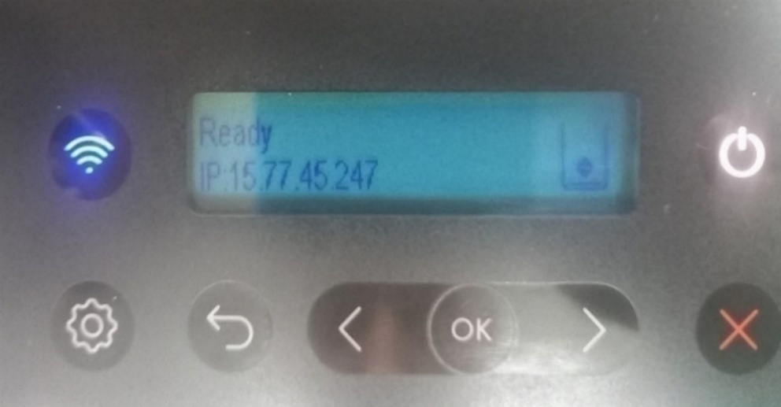
2-line LCD message for Dragonfly/Wireless/ADF, per Kasetty, Shiva (2023.04.26)
The average character count is 30 per line (+/- 3 depending on the character width).
Users cant scroll, but they can toggle between the 2 screens every 2 seconds as shown below:

We are unable to scroll, so we toggle between the 2 screen every 2 seconds as shown below:

The red underlined "ready" is where the "general message" is shown. (Ares EWS)

